Main Screen
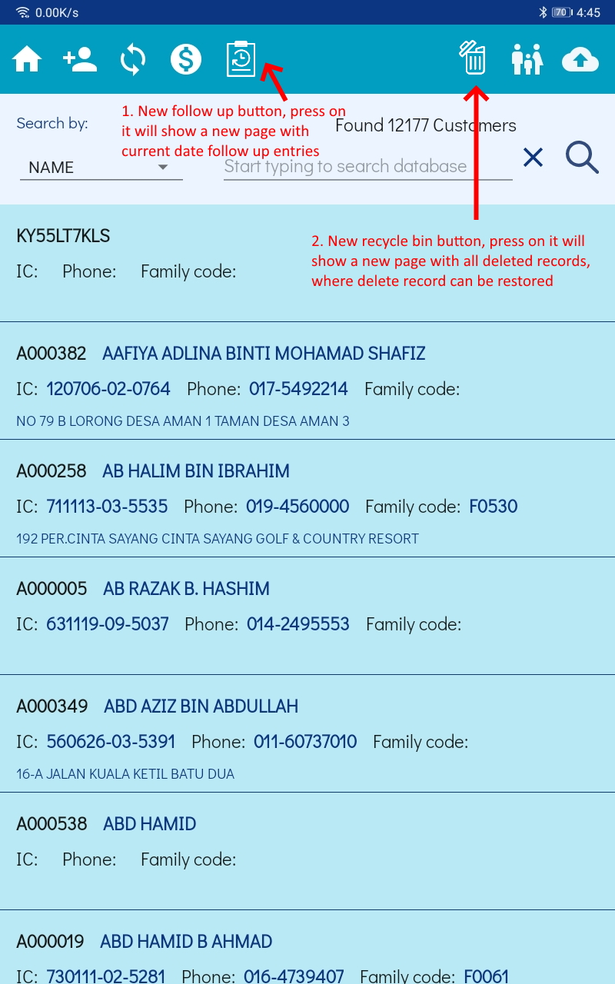

Follow Up Section
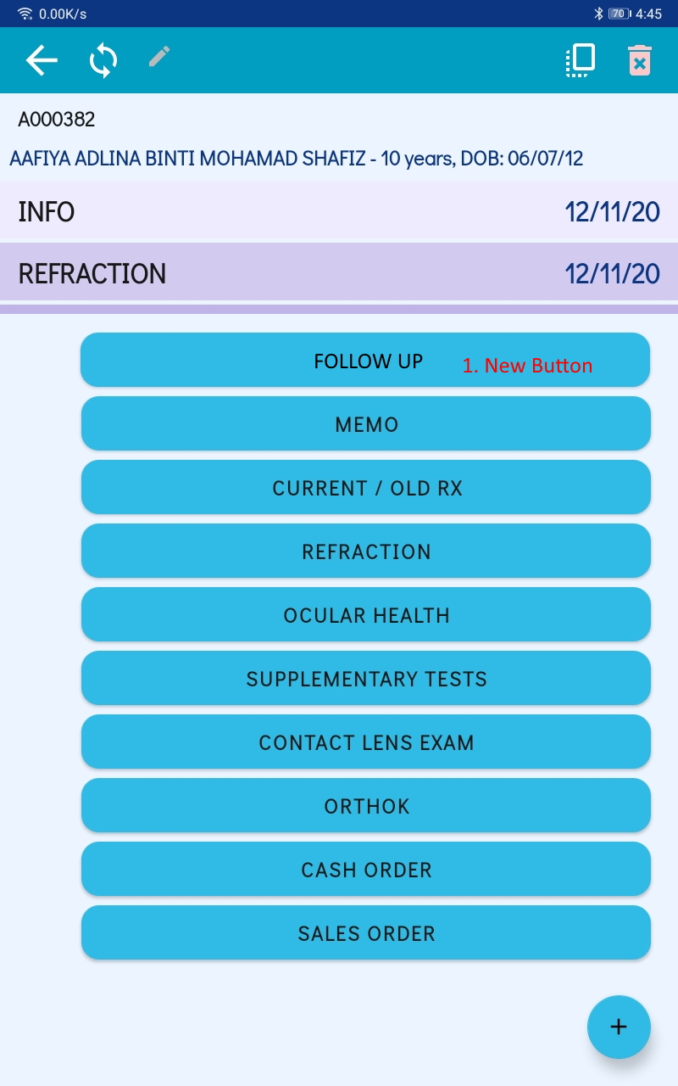
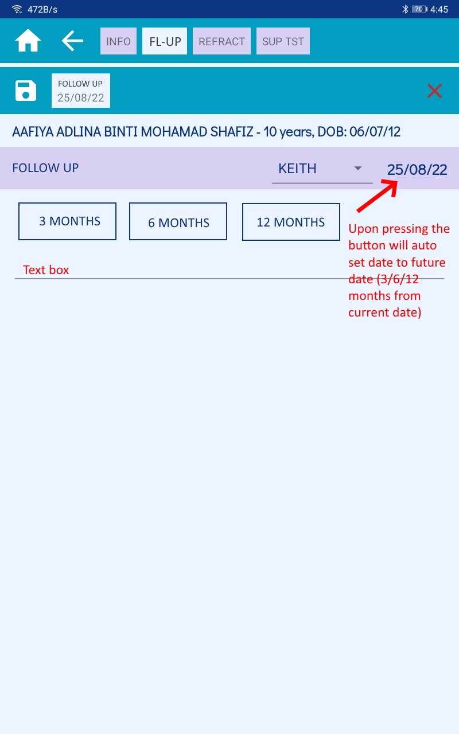
No | Revision | Comment | Comment (Keith) | Status | Remark
1 | Pressing the 3 buttons (3,6,12 months) will automatically set the section date to future date by 3/6/12 months from now. However, the date still can be manually adjusted

Follow Up Page
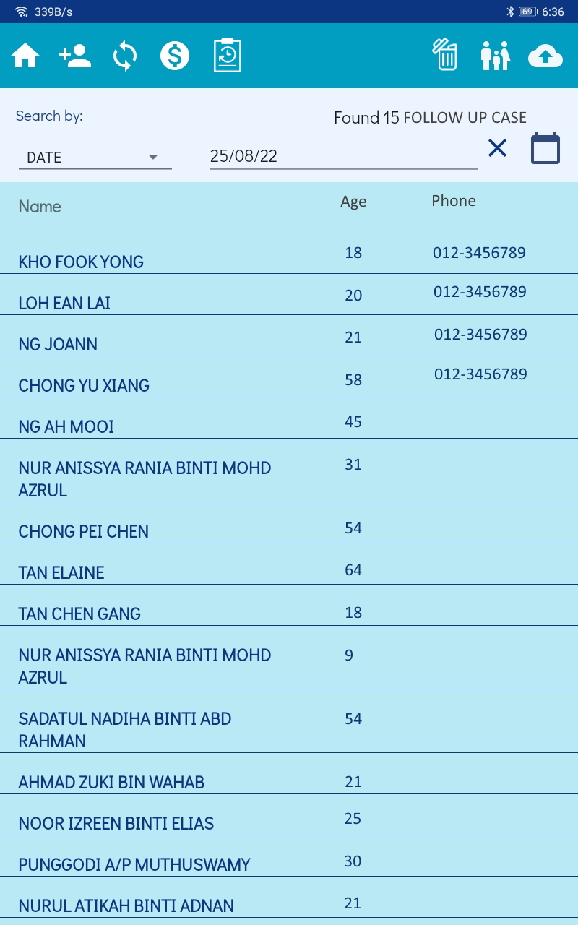
No | Revision | Comment | Comment (Keith) | Status | Remark
1 | Search by: Date only

Recycle Bin Page
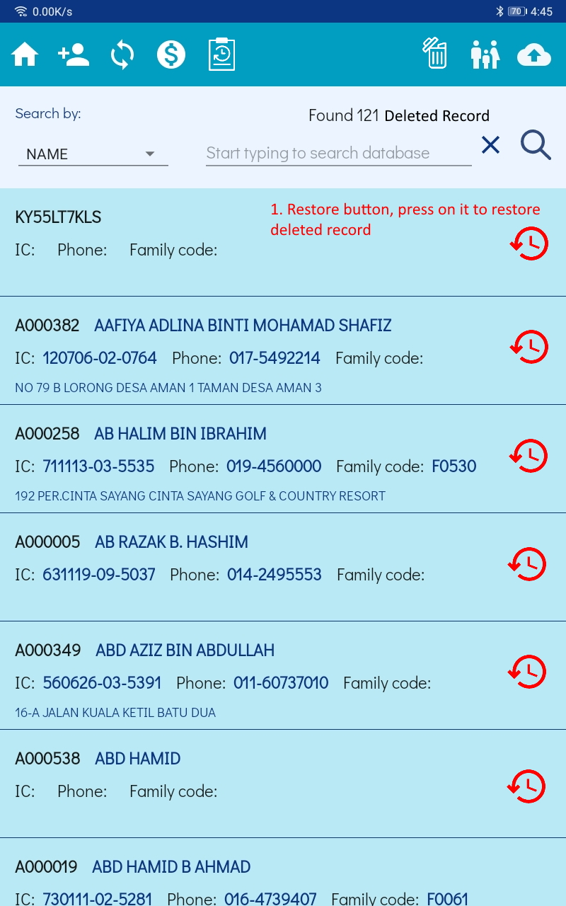
No | Revision | Comment | Comment (Keith) | Status | Remark
1 | All record in recycle bin can only be deleted by entering master password : KGDEL88
2 | Pressing restore button will restore the record
3 | This page (and the recycle bin button) only shows up on admin account

